4.uji autokorelasi
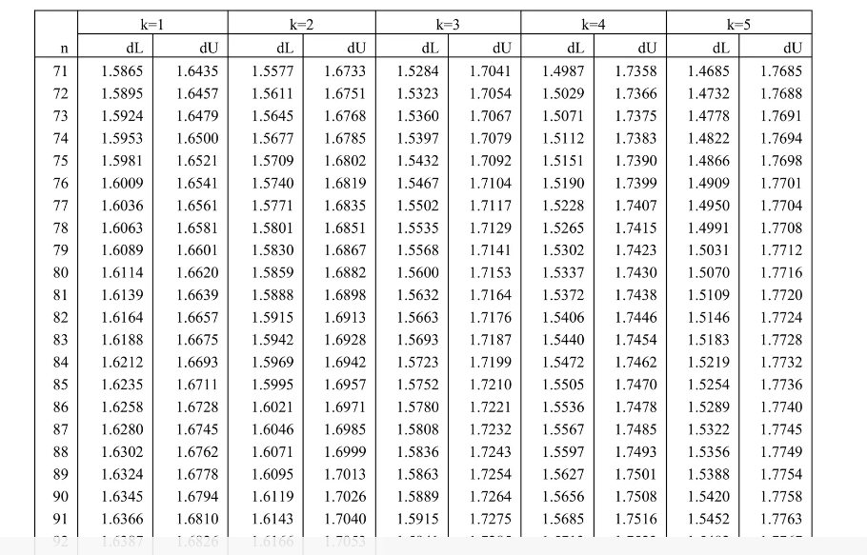
total_x1 | total_x2 | total_x3 | total_x4 | total_y |  | Ypredict | Res (e) | e-e-1 | e^2 | e-e-1^2 | Rumus
20 | 15 | 7 | 5 | 5 |  | 5.2989541699 | 0.70104583015 |  | 0.49146525597 | 0 | DW = Sigma(e-e-1)^2/Sigma e^2
19 | 14 | 9 | 6 | 6 |  | 6.0616050429 | 0.93839495708 | 0.23734912693 | 0.88058509546 | 0.056334608054
37 | 24 | 13 | 7 | 6 |  | 8.163607112 | -1.163607112 | -2.1020020691 | 1.3539815111 | 4.4184126983 | DW= | 2.2192031524 | diantara dU dan 4-dU tidak terjadi autokorelasi
27 | 16 | 9 | 6 | 6 |  | 6.3422331216 | 0.65776687835 | 1.8213739903 | 0.43265726626 | 3.3174032127
32 | 20 | 12 | 8 | 8 |  | 8.0876979312 | 0.91230206882 | 0.25453519046 | 0.83229506476 | 0.064788163183 | n=90
34 | 21 | 12 | 8 | 8 |  | 8.1789426288 | 0.82105737124 | -0.09124469758 | 0.67413520686 | 0.0083255948365 | dL | 1. 5656
38 | 25 | 11 | 9 | 7 |  | 8.6612483324 | -0.66124833238 | -1.4823057036 | 0.43724935707 | 2.197230199 | dU | 1. 7508
16 | 10 | 6 | 4 | 5 |  | 4.3652095752 | 1.6347904248 | 2.2960387572 | 2.6725397331 | 5.2717939746 | 4-dU | 4 - 1.7508 = 2.2492
24 | 14 | 9 | 6 | 6 |  | 6.1842783974 | 0.81572160263 | -0.81906882221 | 0.66540173299 | 0.67087373551 | 4-dL | 4 - 1.5656=2.4344
32 | 20 | 12 | 8 | 8 |  | 8.0876979312 | 0.91230206882 | 0.09658046619 | 0.83229506476 | 0.0093277864495
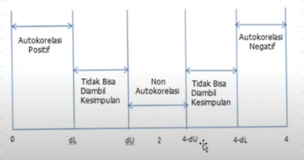
38 | 24 | 14 | 8 | 8 |  | 8.812870915 | 0.187129085 | -0.72517298382 | 0.035017294453 | 0.52587585646
28 | 18 | 10 | 6 | 7 |  | 6.6557502718 | 1.3442497282 | 1.1571206432 | 1.8070073318 | 1.338928183
35 | 20 | 12 | 8 | 5 |  | 8.1613019439 | -2.1613019439 | -3.5055516721 | 4.6712260925 | 12.288892526
27 | 19 | 12 | 8 | 7 |  | 7.9228492209 | 0.077150779066 | 2.2384527229 | 0.0059522427104 | 5.0106705927
24 | 15 | 9 | 6 | 6 |  | 6.2264537532 | 0.77354624682 | 0.69639546776 | 0.59837379598 | 0.48496664752
33 | 16 | 12 | 7 | 8 |  | 7.5234338144 | 1.4765661856 | 0.70301993879 | 2.1802477005 | 0.49423703434
37 | 24 | 15 | 10 | 8 |  | 9.8331627407 | -0.83316274072 | -2.3097289263 | 0.69416015253 | 5.3348477132
29 | 19 | 7 | 8 | 3 |  | 6.9487597245 | -2.9487597245 | -2.1155969838 | 8.695183913 | 4.4757505979
33 | 19 | 11 | 5 | 7 |  | 6.6051333852 | 1.3948666148 | 4.3436263394 | 1.9456528732 | 18.867089776
33 | 18 | 9 | 7 | 7 |  | 6.9938892231 | 1.0061107769 | -0.3887558379 | 1.0122588954 | 0.1511311015
40 | 25 | 15 | 9 | 8 |  | 9.5288447447 | -0.52884474471 | -1.5349555216 | 0.279676764 | 2.3560884534
24 | 15 | 9 | 6 | 6 |  | 6.2264537532 | 0.77354624682 | 1.3023909915 | 0.59837379598 | 1.6962222948
40 | 25 | 15 | 10 | 10 |  | 9.9489421092 | 1.0510578908 | 0.27751164398 | 1.1047226898 | 0.077012712545
32 | 24 | 14 | 10 | 10 |  | 9.5058576186 | 1.4941423814 | 0.44308449056 | 2.2324614558 | 0.19632386577
37 | 25 | 15 | 10 | 6 |  | 9.8753380965 | -2.8753380965 | -4.3694804779 | 8.2675691693 | 19.092359647
40 | 25 | 15 | 10 | 10 |  | 9.9489421092 | 1.0510578908 | 3.9263959873 | 1.1047226898 | 15.416585449
21 | 17 | 9 | 4 | 4 |  | 5.3970057231 | -0.39700572313 | -1.4480636139 | 0.1576135442 | 2.09688823
30 | 20 | 7 | 4 | 5 |  | 5.3350802933 | 0.66491970673 | 1.0619254299 | 0.4421182164 | 1.1276856186
32 | 21 | 10 | 9 | 6 |  | 8.1407071162 | -1.1407071162 | -1.8056268229 | 1.3012127249 | 3.2602882237
40 | 25 | 13 | 10 | 6 |  | 9.5396785739 | -2.5396785739 | -1.3989714577 | 6.4499672588 | 1.9571211395
27 | 18 | 12 | 7 | 6 |  | 7.4605765006 | -0.46057650065 | 2.0791020733 | 0.21213071295 | 4.3226654311
40 | 24 | 15 | 9 | 9 |  | 9.4866693889 | 0.51333061109 | 0.97390711174 | 0.26350831629 | 0.9484950623
40 | 21 | 10 | 8 | 6 |  | 7.9168871188 | -0.91688711883 | -1.4302177299 | 0.84068198868 | 2.045522755
29 | 21 | 13 | 10 | 9 |  | 9.1010957709 | 0.89890422907 | 1.8157913479 | 0.80802881304 | 3.2970982191
32 | 22 | 12 | 8 | 6 |  | 8.1720486428 | -1.1720486428 | -2.0709528719 | 1.3736980211 | 4.2888457975
29 | 16 | 12 | 7 | 7 |  | 7.4252951308 | 0.57470486918 | 1.746753512 | 0.33028568665 | 3.0511478315
40 | 25 | 15 | 10 | 10 |  | 9.9489421092 | 1.0510578908 | 0.47635302163 | 1.1047226898 | 0.22691220122
31 | 18 | 10 | 8 | 7 |  | 7.5695490134 | 0.43045098658 | -0.62060690423 | 0.18528805185 | 0.38515292957
37 | 25 | 13 | 10 | 10 |  | 9.4660745613 | 1.5339254387 | 1.1034744522 | 2.3529272516 | 1.2176558666
37 | 25 | 15 | 6 | 6 |  | 8.1949486386 | -1.1949486386 | -2.7288740773 | 1.4279022488 | 7.4467537299
32 | 25 | 15 | 10 | 10 |  | 9.7526647421 | 1.2473352579 | 2.4422838965 | 1.5558452457 | 5.9647506311
32 | 21 | 13 | 10 | 6 |  | 9.1746997836 | -2.1746997836 | -3.4220350415 | 4.7293191488 | 11.710323825
28 | 15 | 7 | 6 | 4 |  | 5.9153289015 | -0.91532890146 | 1.2593708821 | 0.83782699785 | 1.5860150188
32 | 17 | 10 | 7 | 7 |  | 7.131810964 | 0.86818903598 | 1.7835179374 | 0.75375220219 | 3.1809362332
34 | 21 | 13 | 7 | 7 |  | 7.9634770319 | 0.036522968086 | -0.83166606789 | 0.0013339271978 | 0.69166844848
28 | 22 | 13 | 8 | 6 |  | 8.2785417269 | -1.2785417269 | -1.3150646949 | 1.6346689473 | 1.7293951519
40 | 21 | 11 | 10 | 8 |  | 8.9617136154 | 0.038286384556 | 1.3168281114 | 0.0014658472423 | 1.734036275
27 | 16 | 6 | 4 | 3 |  | 4.8881430898 | -0.88814308976 | -0.92642947431 | 0.78879814789 | 0.85827157088
31 | 21 | 10 | 9 | 9 |  | 8.1161724453 | 1.8838275547 | 2.7719706444 | 3.5488062558 | 7.6838212537
32 | 20 | 10 | 8 | 7 |  | 7.6784343959 | 0.32156560409 | -1.5622619506 | 0.10340443773 | 2.4406624023
33 | 20 | 13 | 9 | 7 |  | 8.7369617342 | -0.7369617342 | -1.0585273383 | 0.54311259767 | 1.1204801259
40 | 25 | 15 | 10 | 8 |  | 9.9489421092 | -0.94894210919 | -0.21198037499 | 0.9004911266 | 0.044935679383
40 | 25 | 15 | 10 | 10 |  | 9.9489421092 | 1.0510578908 | 2 | 1.1047226898 | 4
39 | 23 | 14 | 8 | 6 |  | 8.7952302301 | -1.7952302301 | -2.8462881209 | 3.222851579 | 8.1013560672
35 | 25 | 15 | 10 | 8 |  | 9.8262687547 | -0.82626875474 | 0.96896147535 | 0.68272005507 | 0.9388863407
20 | 18 | 9 | 6 | 2 |  | 6.254841137 | -3.254841137 | -2.4285723823 | 10.593990827 | 5.8979638159
35 | 22 | 12 | 9 | 7 |  | 8.6657500199 | -0.66575001994 | 2.5890911171 | 0.44322308906 | 6.7033928125
24 | 11 | 13 | 6 | 3 |  | 6.8762794005 | -2.8762794005 | -2.2105293806 | 8.2729831899 | 4.8864401424
32 | 19 | 10 | 7 | 9 |  | 7.2161616756 | 2.7838383244 | 5.6601177249 | 7.7497558163 | 32.03693266
22 | 19 | 8 | 5 | 4 |  | 5.7213567025 | -0.72135670247 | -3.5051950269 | 0.5203554922 | 12.286392176
31 | 19 | 11 | 8 | 7 |  | 7.8163561369 | 0.18364386314 | 0.90500056562 | 0.03372506847 | 0.81902602376
35 | 23 | 14 | 8 | 9 |  | 8.6970915465 | 1.3029084535 | 1.1192645903 | 1.6975704381 | 1.2527532232
31 | 20 | 13 | 7 | 8 |  | 7.8476976634 | 1.1523023366 | -0.15060611691 | 1.3278006748 | 0.022682202452
28 | 14 | 4 | 4 | 2 |  | 4.4190635138 | -1.4190635138 | -2.5713658503 | 2.0137412561 | 6.6119223362
36 | 20 | 7 | 5 | 4 |  | 5.9023856831 | -0.9023856831 | 0.51667783068 | 0.81429992106 | 0.26695598071
29 | 20 | 11 | 6 | 5 |  | 6.9692674219 | -0.9692674219 | -0.066881738806 | 0.93947933516 | 0.0044731669857
30 | 19 | 9 | 7 | 6 |  | 6.9624605662 | 0.037539433795 | 1.0068068557 | 0.0014092090896 | 1.0136600447
35 | 21 | 13 | 8 | 8 |  | 8.4081090673 | 0.59189093271 | 0.55435149891 | 0.35033487622 | 0.30730558435
33 | 19 | 10 | 9 | 8 |  | 8.0808910755 | 0.91910892451 | 0.3272179918 | 0.84476121512 | 0.10707161416
39 | 24 | 15 | 9 | 10 |  | 9.462134718 | 1.537865282 | 0.61875635747 | 2.3650296255 | 0.38285942991
30 | 18 | 8 | 7 | 6 |  | 6.7156534428 | 0.28434655723 | -1.2535187248 | 0.08085296461 | 1.5713091933
20 | 16 | 7 | 8 | 5 |  | 6.6014216191 | -0.60142161912 | -0.88576817635 | 0.36170796394 | 0.78458526224
33 | 20 | 12 | 7 | 7 |  | 7.6921352376 | 0.30786476241 | 0.90928638153 | 0.094780711936 | 0.82680172364
30 | 19 | 9 | 7 | 6 |  | 6.9624605662 | 0.037539433795 | -0.27032532862 | 0.0014092090896 | 0.073075783293
27 | 19 | 6 | 6 | 6 |  | 5.8548638861 | 1.1451361139 | 1.1075966801 | 1.3113367193 | 1.2267704057
23 | 13 | 8 | 6 | 3 |  | 5.912936603 | -1.912936603 | -3.0580727169 | 3.6593264473 | 9.3518087419
16 | 14 | 10 | 5 | 4 |  | 5.7725354334 | -0.7725354334 | 1.1404011696 | 0.59681099586 | 1.3005148277
33 | 18 | 11 | 7 | 6 |  | 7.4031527583 | -0.40315275835 | 0.36938267506 | 0.16253214656 | 0.13644356063
28 | 20 | 11 | 9 | 8 |  | 8.2050248445 | 0.79497515552 | 1.1981279139 | 0.6319854979 | 1.435510498
28 | 17 | 10 | 7 | 6 |  | 7.0336722805 | -0.033672280461 | -0.82864743598 | 0.0011338224715 | 0.68665657316
25 | 18 | 10 | 10 | 7 |  | 8.2625357171 | -0.26253571706 | -0.2288634366 | 0.068925002731 | 0.05237847261
32 | 20 | 9 | 9 | 8 |  | 7.8938999928 | 1.1061000072 | 1.3686357243 | 1.223457226 | 1.8731637458
38 | 21 | 12 | 9 | 7 |  | 8.6971786768 | -0.69717867681 | -1.8032786841 | 0.4860581074 | 3.2518140124
24 | 22 | 9 | 7 | 7 |  | 6.9417786083 | 1.0582213917 | 1.7554000685 | 1.1198325139 | 3.0814294007
24 | 19 | 7 | 5 | 5 |  | 5.5657942766 | 0.43420572338 | -0.62401566835 | 0.18853461022 | 0.38939555434
26 | 18 | 10 | 8 | 7 |  | 7.446875659 | 0.55312434103 | 0.11891861765 | 0.30594653664 | 0.014141637623
34 | 18 | 11 | 10 | 7 |  | 8.6879795227 | -0.6879795227 | -1.2411038637 | 0.47331582366 | 1.5403388006
30 | 20 | 11 | 8 | 7 |  | 7.8339968218 | 0.16600317823 | 0.85398270094 | 0.027557055183 | 0.7292864535
34 | 20 | 10 | 8 | 7 |  | 7.7275037377 | 0.27249626231 | 0.10649308408 | 0.074254212972 | 0.011340776956
33 | 20 | 11 | 6 | 7 |  | 7.0674061055 | 0.93259389454 | 0.66009763223 | 0.86973137213 | 0.43572888408
 |  |  |  |  | JML/SIGMA |  |  |  | 131.87236585 | 292.65157

